o tables
mdcro 2016
mdcro 2021
mdcro 2016
proctyp | count | 118982284.00000000
[null] | 9588897 | 0.08059096 | 1 - CPT
1 | 85368231 | 0.71748691 | 7 - HCPC
7 | 24023812 | 0.20191083 | 8 - CDT
8 | 1344 | 0.00001130

mdcro 2021
proctyp | count | 85945827.00000000
[null] | 3919671 | 0.04560630
1 | 65094658 | 0.75739172
7 | 16929583 | 0.19697970
8 | 1915 | 0.00002228

ccaeo 2016
ccaeo 2021
ccaeo 2016
proctyp | count | 623641017.00000000
[null] | 34291182 | 0.05498545
1 | 527014549 | 0.84506076
7 | 62196156 | 0.09973070
8 | 139130 | 0.00022309
* | 1

ccaeo 2021
proctyp | count | 534657936.00000000
[null] | 22440193 | 0.04197112
1 | 440417731 | 0.82373739
7 | 71741267 | 0.13418162
8 | 58745 | 0.00010987

s tables
mdcrs 2016
mdcrs 2021
mdcrs 2016
proctyp | count | 15427500.00000000
[null] | 8265711 | 0.53577773 | 1 - CPT
1 | 6953454 | 0.45071813 | 7 - HCPC
7 | 208049 | 0.01348559 | 8 - CDT
8 | 286 | 0.00001854

mdcrs 2021
proctyp | count | 10194492.00000000
[null] | 4663346 | 0.45743780
1 | 5382878 | 0.52801827
7 | 147935 | 0.01451127
8 | 333 | 0.00003266

ccaes 2016
 | mdcro 2016
[null] | 23817112
1 | 18993526
7 | 708460
8 | 550
ccaes 2021
ccaes 2016
proctyp | count | 43519648.00000000
[null] | 23817112 | 0.54727262
1 | 18993526 | 0.43643565
7 | 708460 | 0.01627908
8 | 550 | 0.00001264

ccaes 2021
proctyp | count | 33461744.00000000
[null] | 16699917 | 0.49907491
1 | 16036666 | 0.47925374
7 | 724850 | 0.02166205
8 | 311 | 0.00000929

nulls in s table
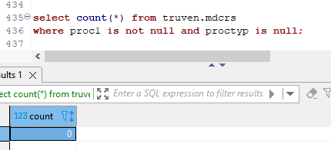
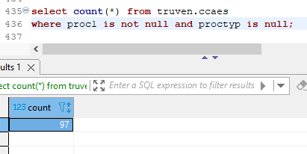
Nulls in the proctyp column correspond almost perfectly with nulls in proc1 column

